Sheet1
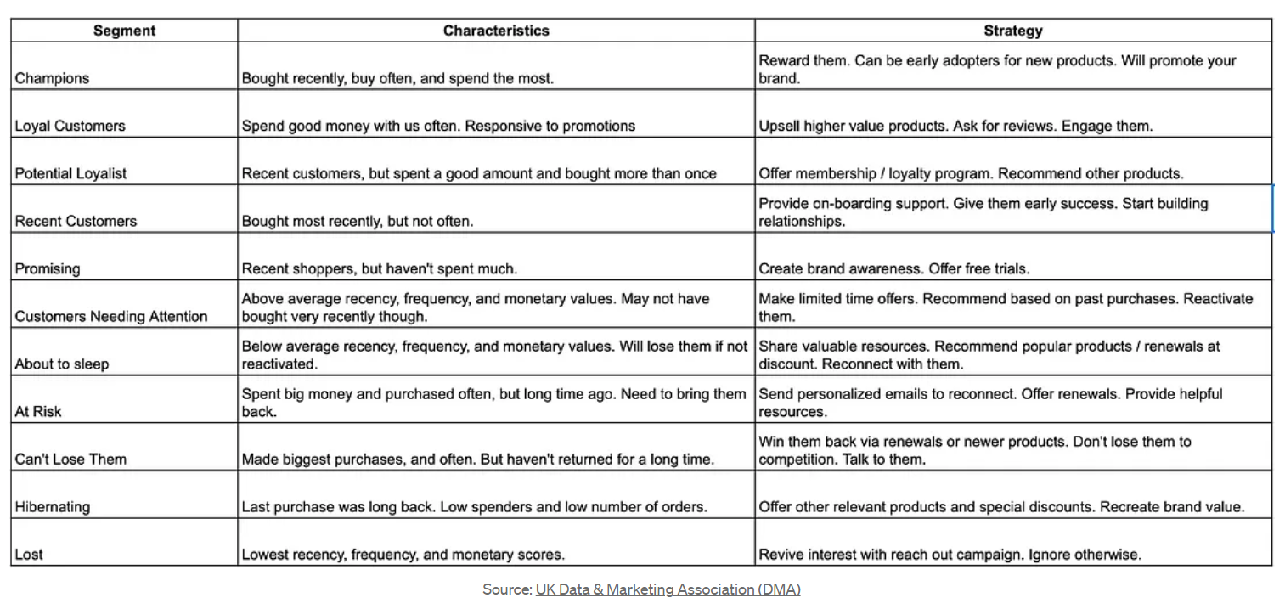
RFM value

111 | 112 | 211

122 | 121 | 131 | 132 | 113

133 | 123 | 213

222 | 212 | 233 | 223 | 232

311 | 221 | 321 | 231 |212

333 | 332 | 331

Sheet2
/*
Ideas for Tableau visualisation:
- Count of recency of purchase -- find out the mode for customers' most recent purchase
- Summary of each segment: Count, Avg. rev per customer, Avg recency, Avg frequency
- Frequency vs recency (X/Y) with monetary represented by circle size
- KPIs up the top (then have the 80/20 rule also up the top as a dropdown option)
- Percentage of customers that fall into each category (KPIs up the top)
- % of customers that account for % of our sales
- Allow filtering by most recent purchase date--if you want more functionality, you will have to join the CustomerType table to the original table
Remember:
- Is the performance good?
- How good?
- Why?
*/
WITH
dataset_filtered AS
(
SELECT
*,
UnitPrice*Quantity AS ItemOrderValue
FROM
`tc-da-1.turing_data_analytics.rfm`
WHERE
InvoiceDate < '2011-12-02'
AND
InvoiceDate >= '2010-12-01'
AND
CustomerID IS NOT NULL
AND
Quantity > 0 --consider what to do this when calculating the monetary value
),
end_date AS
(
SELECT
MAX (InvoiceDate) AS LastDate
FROM
dataset_filtered
),
purch_date_orders AS
(
SELECT
CustomerID,
MAX(InvoiceDate) AS DateOfLastPurchase,
MIN(InvoiceDate) AS DateOfFirstPurchase,
COUNT (DISTINCT InvoiceNo) AS NumberOfOrders,
ROUND(SUM(ItemOrderValue), 2) AS TotalValueOfOrders
FROM
dataset_filtered
GROUP BY
CustomerID
),
rfm_metrics AS
(
SELECT
*
FROM
(
SELECT
purch_date_orders.*,
DATE_DIFF(DateOfLastPurchase, DateOfFirstPurchase, DAY) + 1 AS DaysActive,
DATE_DIFF(LastDate, DateOfFirstPurchase, DAY) + 1 AS DateDiffFirstToPresentDay,
(DATE_DIFF(LastDate, DateOfFirstPurchase, DAY) + 1)/NumberOfOrders AS DaysPerOrder,
TotalValueOfOrders AS TotalValueOfOrders2,
TotalValueOfOrders/NumberOfOrders AS AverageOrderValue,
ROW_NUMBER() OVER (PARTITION BY purch_date_orders.CustomerID ORDER BY DateOfLastPurchase DESC) AS RowNum
FROM
dataset_filtered
JOIN
purch_date_orders
ON
dataset_filtered.CustomerID = purch_date_orders.CustomerID
CROSS JOIN
end_date
ORDER BY
DateOfLastPurchase DESC
)
WHERE
RowNum = 1
)
,
tertiles_approx AS
(
SELECT
recency_tertiles[offset(1)] AS FirstTertileRecency,--33rd percentile
recency_tertiles[offset(2)] AS SecondTertileRecency,--66th percentile
frequency_tertiles[offset(1)] AS FirstTertileFrequency,--33rd percentile
frequency_tertiles[offset(2)] AS SecondTertileFrequency,--66th percentile
monetary_tertiles[offset(1)] AS FirstTertileMonetary,--33rd percentile
monetary_tertiles[offset(2)] AS SecondTertileMonetary,--66th percentile
FROM
(
SELECT
APPROX_QUANTILES(DateOfLastPurchase, 3) AS recency_tertiles,
APPROX_QUANTILES(NumberOfOrders, 3) AS frequency_tertiles,
APPROX_QUANTILES(TotalValueOfOrders2, 3) AS monetary_tertiles
FROM
rfm_metrics
) AS tertiles_calc
)
SELECT
*,
CASE
WHEN DateOfLastPurchase < FirstTertileRecency THEN 3
WHEN DateOfLastPurchase >= FirstTertileRecency AND DateOfLastPurchase < SecondTertileRecency THEN 2
ELSE 1
END AS RecencyTertile,
CASE
WHEN NumberOfOrders < FirstTertileFrequency THEN 3
WHEN NumberOfOrders >= FirstTertileFrequency AND NumberOfOrders < SecondTertileFrequency THEN 2
ELSE 1
END AS FrequencyTertile,
CASE
WHEN TotalValueOfOrders2 < FirstTertileMonetary THEN 3
WHEN TotalValueOfOrders2 >= FirstTertileMonetary AND TotalValueOfOrders2 < SecondTertileMonetary THEN 2
ELSE 1
END AS MonetaryTertile
FROM
rfm_metrics
CROSS JOIN
tertiles_approx
LIMIT
1434
-- (
-- SELECT
-- * EXCEPT (RowNum),
-- -- APPROX_QUANTILES(DateOfLastPurchase, 3), --I could not get APPROX_QUANTILES to work, so I am abandoning it
-- NTILE(3) OVER (ORDER BY DateOfLastPurchase DESC) AS RecencyTertile,
-- NTILE(3) OVER (ORDER BY NumberOfOrders DESC, DaysPerOrder ASC) AS FrequencyTertile, --consider using APPROX_QUARTILES (but for tertiles)
-- NTILE(3) OVER (ORDER BY rfm_metrics.TotalValueOfOrders2 DESC) AS MonetaryTertile
-- FROM
-- rfm_metrics
-- WHERE
-- RowNum = 1
-- ),
-- rfm_ids AS
-- (
-- SELECT
-- tertiles.*,
-- -- RecencyTertile + FrequencyTertile + MonetaryTertile AS RFM_aggregate,
-- CONCAT(RecencyTertile,FrequencyTertile,MonetaryTertile) AS RFM_ID
-- FROM
-- Tertiles
-- ),
-- customer_types AS
-- (
-- SELECT
-- rfm_ids.*,
-- CASE
-- WHEN RFM_ID IN ('111', '112', '211') THEN 'Top customer'
-- WHEN RFM_ID IN ('122', '121','131', '132', '113') THEN 'Potentially loyal customer'
-- WHEN RFM_ID IN ('133', '123', '213') THEN 'Recent or promising customer'
-- WHEN RFM_ID IN ('311', '221', '212', '321', '231') THEN 'Must not lose'
-- WHEN RFM_ID IN ('232', '223', '233', '222') THEN 'Customer needing attention'
-- WHEN RFM_ID IN ('312', '313', '322', '323') THEN 'On the way out'
-- WHEN RFM_ID IN ('333', '331', '332') THEN 'Lost'
-- ELSE 'Unknown'
-- END AS Customer_Type
-- FROM
-- rfm_ids
-- )
-- SELECT
-- *
-- -- NumberOfOrders,
-- -- DaysPerOrder,
-- -- FrequencyTertile
-- FROM
-- customer_types
-- ORDER BY
-- NumberOfOrders ASC,
-- DaysPerOrder DESC

